Allowable_ISC_reference
ISC Burden link: | Allowable Funding Transfers link:
https://fingate.stanford.edu/managing-funds/about-burdening#anchor-8336 | https://doresearch.stanford.edu/office/budget-and-finance#Year_End_Close_Process
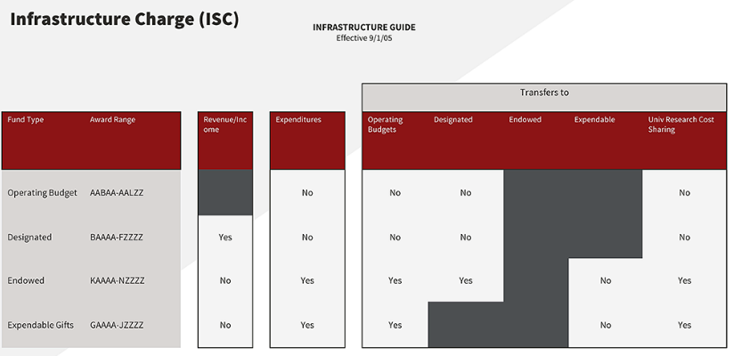
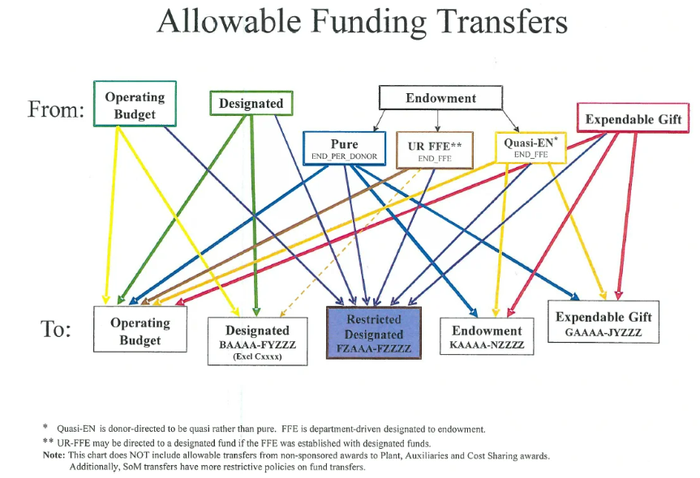

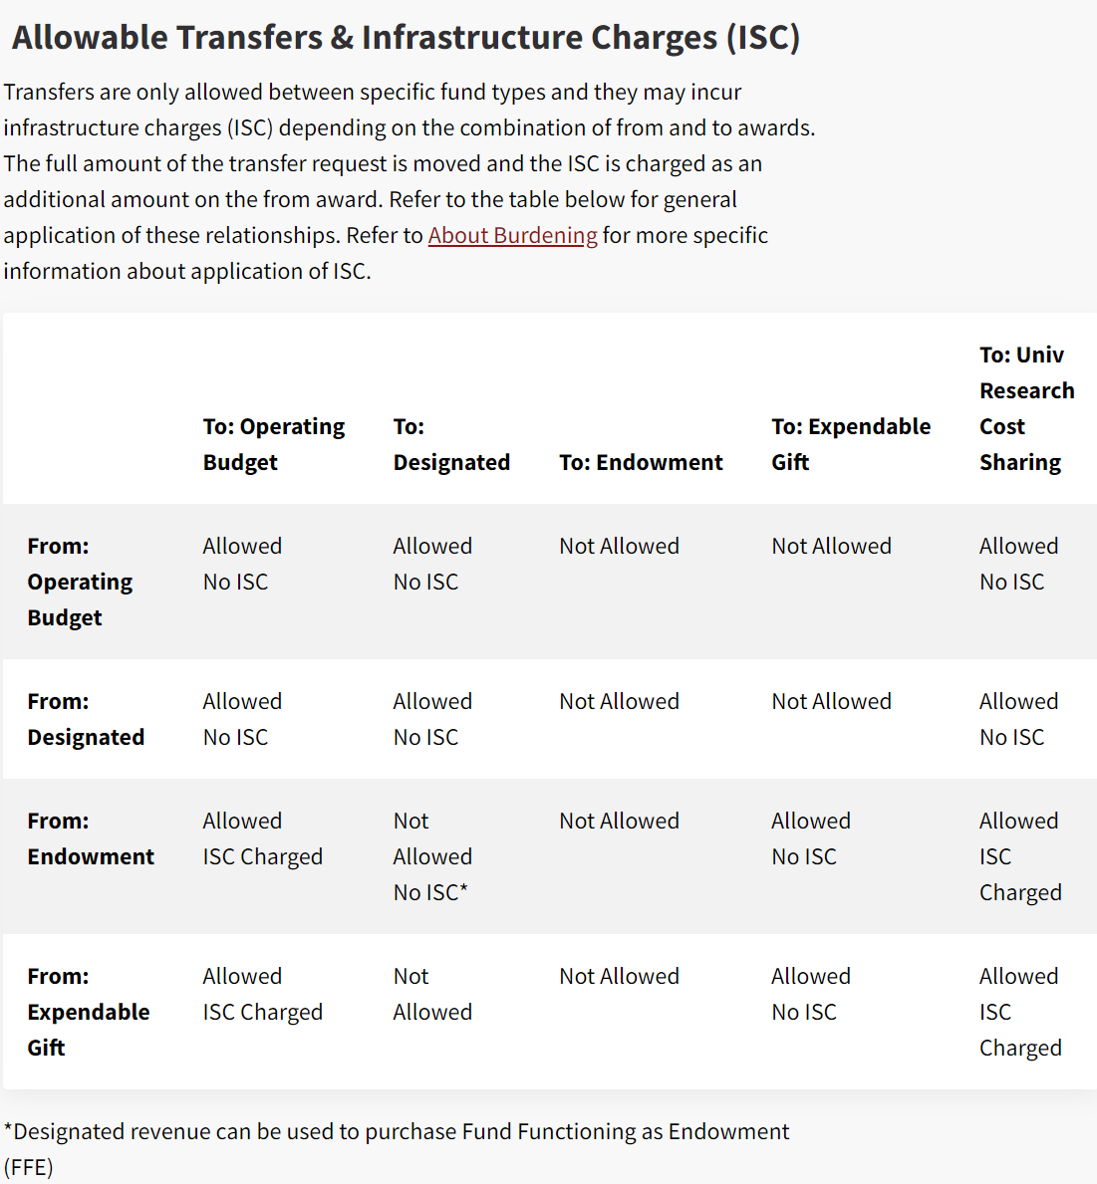

https://fingate.stanford.edu/managing-funds/fund-transfers

